Energy_item
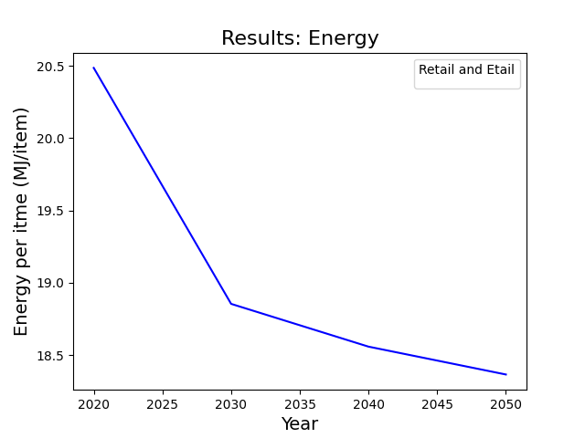
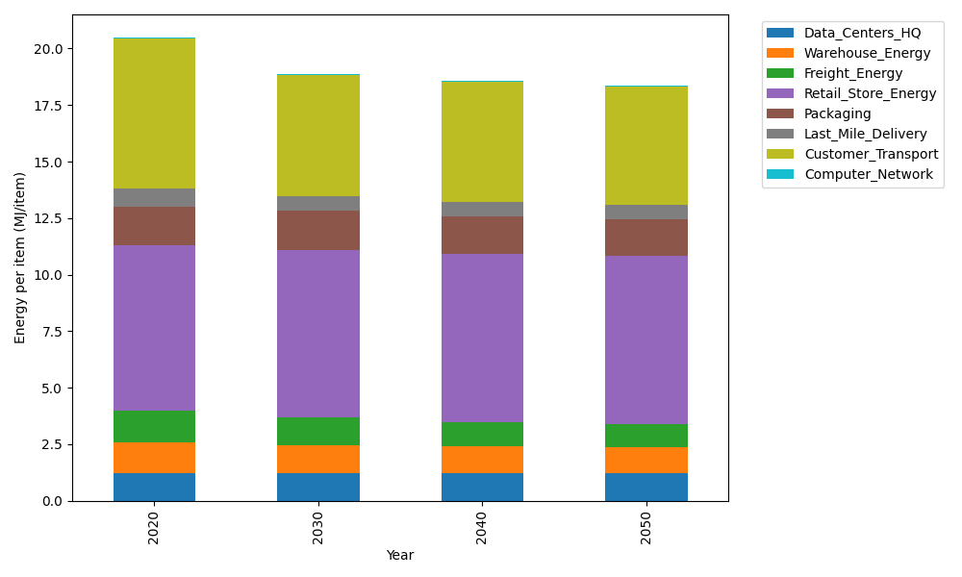
Years | Data_Centers_HQ | Warehouse_Energy | Freight_Energy | Retail_Store_Energy | Packaging | Last_Mile_Delivery | Customer_Transport | Computer_Network | Total
2020 | 1.2374262174 | 1.341127013 | 1.4111355553 | 7.3093548954 | 1.6919526965 | 0.81458505958 | 6.6371394427 | 0.042906875833 | 20.485627756
2030 | 1.2352589164 | 1.2208696464 | 1.2139370158 | 7.4282002327 | 1.7226897949 | 0.64598705445 | 5.3484431923 | 0.038294833407 | 18.853680686
2040 | 1.2350032916 | 1.1663254225 | 1.0846840682 | 7.4422175821 | 1.6672989479 | 0.64079442994 | 5.2837660746 | 0.03775086078 | 18.557840678
2050 | 1.2351750393 | 1.1142488609 | 1.0315604816 | 7.4327996894 | 1.6386717407 | 0.63939037634 | 5.2352886155 | 0.038116341848 | 18.365251146

CO2_item
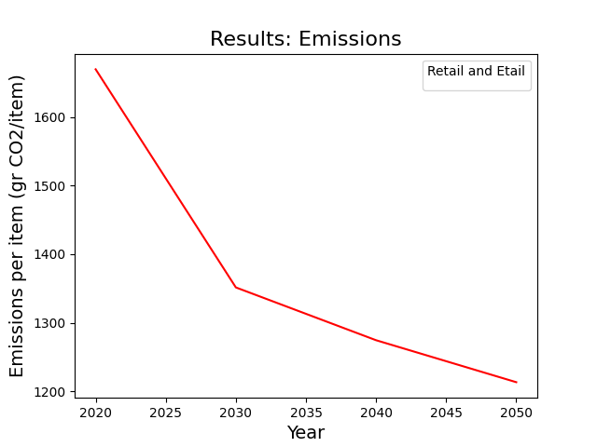
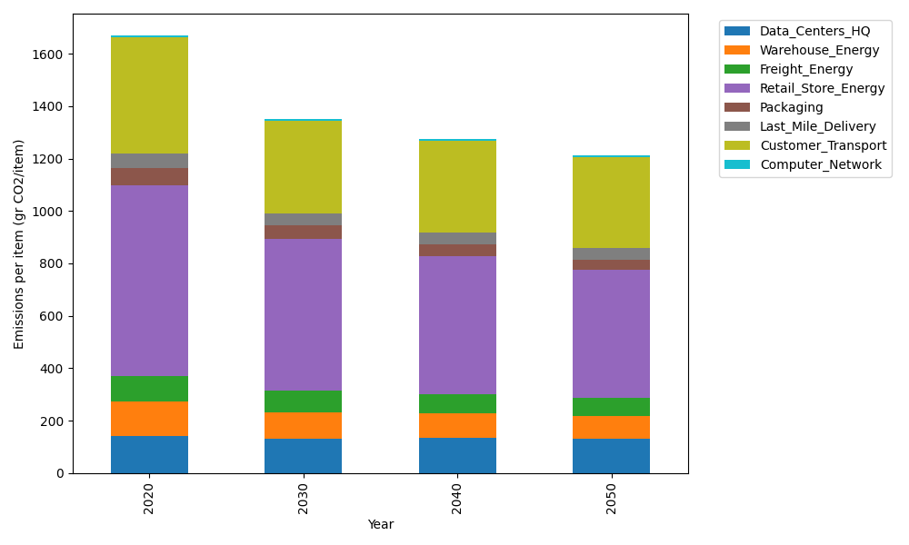
Years | Data_Centers_HQ | Warehouse_Energy | Freight_Energy | Retail_Store_Energy | Packaging | Last_Mile_Delivery | Customer_Transport | Computer_Network | Total
2020 | 140.1486978 | 133.88320986 | 96.107295025 | 728.92732662 | 65.550493381 | 55.915666481 | 441.62928544 | 7.2373947519 | 1669.3993694
2030 | 129.07656337 | 103.32653369 | 82.638455973 | 577.80778296 | 51.976953629 | 44.31153224 | 355.81505274 | 6.4594501683 | 1351.4123248
2040 | 134.43736932 | 93.935287835 | 73.795580773 | 526.94573586 | 43.679810474 | 43.928952077 | 351.36681358 | 6.3676946034 | 1274.4572445
2050 | 129.06644574 | 87.394044397 | 70.147699168 | 489.21700803 | 39.156306071 | 43.806364886 | 348.0621082 | 6.4293427824 | 1213.2793193

